Respiratory Biologic Dosing
Drug | Indication | Dose
Dupixent | Atopic Dermatitis | Adults: Initial dose of 600 mg (two 300 mg injections), followed by 300 mg given every other week Pediatrics 6-17 years: Pediatrics 6 months to 5 years:
 | Asthma | 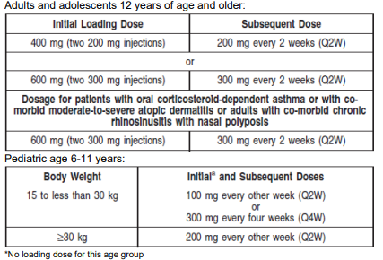
 | Chronic Rhinosinusitis with Nasal Polyps (CRSwNP) | 300 mg every other week. (2 pens/syringes per 28 days)
 | Eosinophilic Esophagitis (EOE) | 300 mg every week. (4 pens/syringes per 28 days)
 | Prurigo Nodularis (PN) | Initial dose of 600 mg (two 300 mg injections), followed by 300 mg given every other week. (2 pens/syringes per 28 days after loading dose).

Cinqair | Add-on maintenance treatment of patients with severe asthma and with an eosinophilic phenotype | 3 mg/kg once every 4 weeks by intravenous infusion over 20-50 minutes

Fasenra | Add-on maintenance treatment of patients with severe asthma and with an eosinophilic phenotype | 30 mg every 4 weeks for the first 3 doses, followed by once every 8 weeks thereafter

Nucala | Add-on maintenance treatment in patients with severe asthma and with an eosinophilic phenotype | Age 6 to 11 years: 40 mg administered subcutaneously once every 4 weeks Age 12 years and older: 100 mg administered subcutaneously once every 4 weeks
 | Add-on maintenance treatment in patients with chronic rhinosinusitis with nasal polyps (CRSwNP). | 100 mg administered subcutaneously once every 4 weeks
 | The treatment of adult patients with eosinophilic granulomatosis with polyangiitis (EGPA) | 300 mg as 3 separate 100-mg injections administered subcutaneously once every 4 weeks
 | The treatment of patients with hypereosinophilic syndrome (HES) for ≥6 months without an identifiable non-hematologic secondary cause | 300 mg as 3 separate 100-mg injections administered subcutaneously once every 4 weeks

Tezspire | Add-on maintenance treatment of patients with severe asthma | 210 mg administered once every 4 weeks

Xolair | Moderate to severe persistent asthma in patients with a positive skin test or in vitro reactivity to a perennial aeroallergen and symptoms that are inadequately controlled with inhaled corticosteroids | 75 to 375 mg SC every 2 or 4 weeks
 | Chronic rhinosinusitis with nasal polyps (CRSwNP) in patients with inadequate response to nasal corticosteroids, as add-on maintenance treatment | 75 to 600 mg SC every 2 or 4 weeks
 | Chronic spontaneous urticaria (CSU) in patients who remain symptomatic despite H1 antihistamine treatment | 150 or 300 mg SC every 4 weeks

